_SAT-OVM-MAO-03
▣ Scenario _SAT-OVM-MAO-03 :Inspection

INSPECTOR
Tapping Card
OSCVM
Receive Control Message
Inspector msg
OVMC
▶ Desc & Flow
Description |  | Inspector tapping ınspector's card to OSCVM. OVMC send ınspection mode message to OSCVM and Passenger is not validate
Biz flow ( It describe briefly )

▶ Advance preparation
Preparation |  | OVMC 1 EA, DMC 1 EA

▶ Data
NO | Item | 1 | 2 | 3 | 4 | 5
1 | N/A

001
Test Case SAT-OVM-MAO-03-001 :Tapping Inspector Card

1. Test Scenario
Test date |  | 1st |  | Tester |  | 1st
 |  | 2nd |  |  |  | 2nd
 |  | 3rd |  |  |  | 3rd

Tapping Inspector Card
Receive Inspection Mode Message
Description |  | Tapping Inspector Card |  |  |  |  | Written by
Flow

NO | Task | Test data | Expected result | Person in charge | Result |  | Pass/Fail |  |  | Remark
 |  |  |  |  |  |  | 1st | 2nd | 3rd
1 | 1.Inspector card taps on the OSCVM | Test Data : A | Success to Validate Display the inspector card information | KIM J.E. | 1st
 |  |  |  |  | 2nd
 |  |  |  |  | 3rd
2 | 1.OSCVM send the inspection message to OVMC | Test Data : B | OVMC receive the inspection message | KIM J.E. | 1st |  |  |  |  | Test Data:C
 |  |  |  |  | 2nd
 |  |  |  |  | 3rd
3 | 1.OVMC send the inspection control message to OSCVMs | Test Data : C | OSCVM receive the inspection control message OSCVM will be changed to inspection mode | KIM J.E. | 1st |  |  |  |  | Test Data:D
 |  |  |  |  | 2nd
 |  |  |  |  | 3rd

NO | Item
A | Tapping Inspector Card
B | Inspection Mode Message
C | 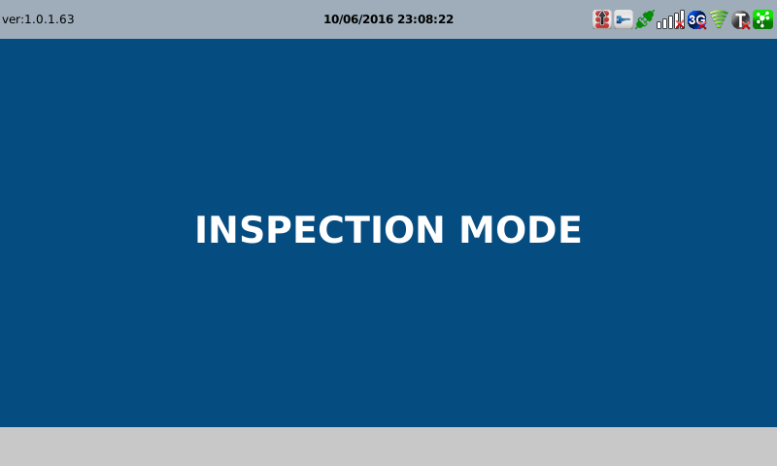
D | 